OFFER SHEET
ITEM No. | PHOTO | DESCRIPTION | FINISH | SIZE ( Fit ) | PRICE. ( INR ) | LEAD TIME
SS-20000 | 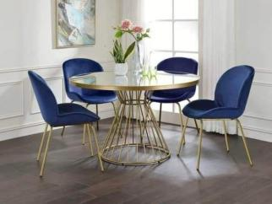 | 4 Seater Dinning Table with chair Stainless Steel | GOLD PVD COATING | 4x4x2.5' |  | 15 DAYS
SS-20001 | 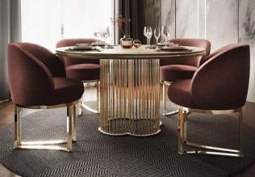 | 4 Seater Dinning Table with chair Stainless Steel | GOLD PVD COATING | 4x4x2.5' |  | 15 DAYS
SS-20002 | 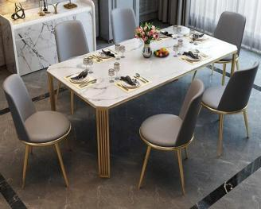 | 6 Seater Dinning Table with chair Stainless Steel | GOLD PVD COATING | 6x3x2.5' |  | 15 DAYS
SS-20003 | 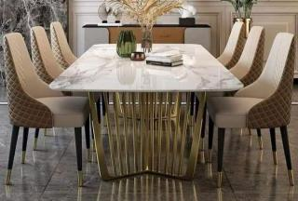 | 6 Seater Dinning Table with chair Stainless Steel | GOLD PVD COATING | 6x3x2.5' |  | 15 DAYS
SS-20004 | 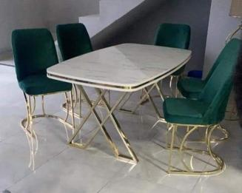 | 4 Seater Dinning Table with chair Stainless Steel | GOLD PVD COATING | 4x2x2.5' |  | 15 DAYS
SS-20005 | 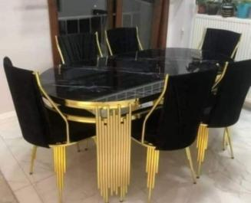 | 6 Seater Dinning Table with chair Stainless Steel | GOLD PVD COATING | 6x3x2.5' |  | 15 DAYS
SS-20006 | 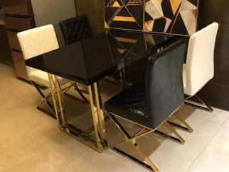 | 4 Seater Dinning Table with chair Stainless Steel | GOLD PVD COATING | 4x2x2.5' |  | 15 DAYS
SS-20007 | 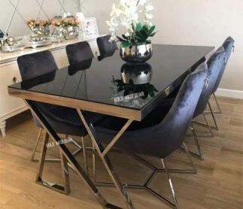 | 6 Seater Dinning Table with chair Stainless Steel | GOLD PVD COATING | 6x3x2.5' |  | 15 DAYS
SS-20008 | 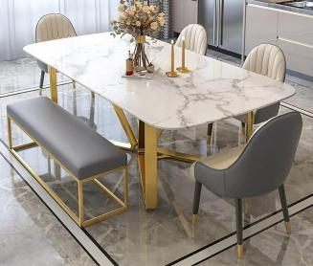 | 6 Seater Dinning Table with chair Stainless Steel | GOLD PVD COATING | 6x3x2.5' |  | 15 DAYS
SS-20009 | 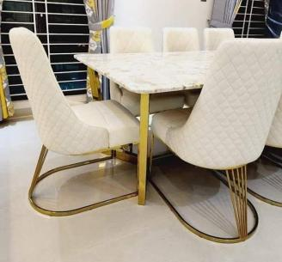 | 6 Seater Dinning Table with chair Stainless Steel | GOLD PVD COATING | 6x3x2.5' |  | 15 DAYS
SS-20010 | 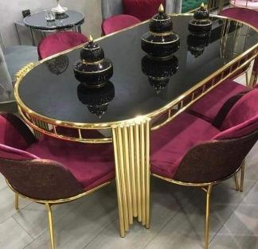 | 6 Seater Dinning Table with chair Stainless Steel | GOLD PVD COATING | 6x3x2.5' |  | 15 DAYS
SS-20011 | 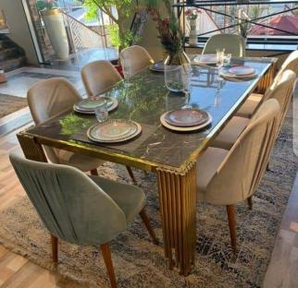 | 8 Seater Dinning Table with chair Stainless Steel | GOLD PVD COATING | 7x3x2.5' |  | 15 DAYS
SS-20012 | 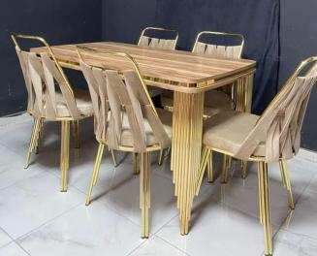 | 6 Seater Dinning Table with chair Stainless Steel | GOLD PVD COATING | 6x3x2.5' |  | 15 DAYS
SS-20013 | 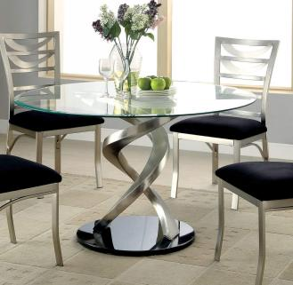 | 4 Seater Dinning Table with chair Stainless Steel | GOLD PVD COATING | 4x4x2.5' |  | 15 DAYS
SS-20014 | 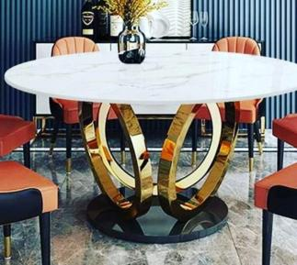 | 4 Seater Dinning Table with chair Stainless Steel | GOLD PVD COATING | 4x4x2.5' |  | 15 DAYS
SS-20015 | 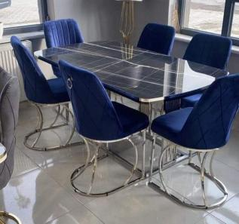 | 6 Seater Dinning Table with chair Stainless Steel | GOLD PVD COATING | 6x3x2.5' |  | 15 DAYS
SS-20016 | 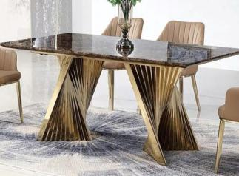 | 6 Seater Dinning Table with chair Stainless Steel | GOLD PVD COATING | 6x3x2.5' |  | 15 DAYS
SS-20017 | 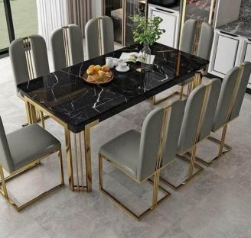 | 8 Seater Dinning Table with chair Stainless Steel | GOLD PVD COATING | 7x3x2.5' |  | 15 DAYS
SS-20018 | 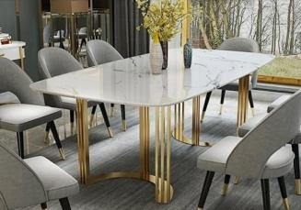 | 8 Seater Dinning Table with chair Stainless Steel | GOLD PVD COATING | 7x3x2.5' |  | 15 DAYS
SS-20019 | 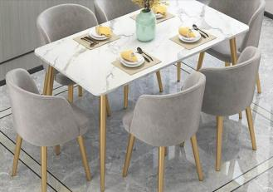 | 6 Seater Dinning Table with chair Stainless Steel | GOLD PVD COATING | 6x3x2.5' |  | 15 DAYS
SS-20020 | 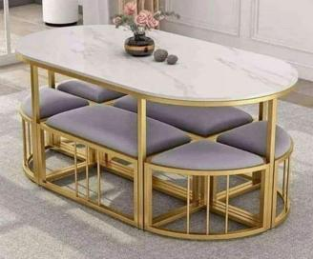 | 8 Seater Dinning Table with chair Stainless Steel | GOLD PVD COATING | 7x3x2.5' |  | 15 DAYS
SS-20021 | 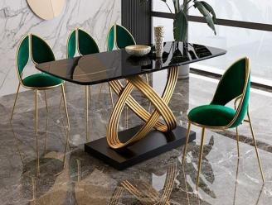 | 4 Seater Dinning Table with chair Stainless Steel | GOLD PVD COATING | 4x2x2.5' |  | 15 DAYS
SS-20022 | 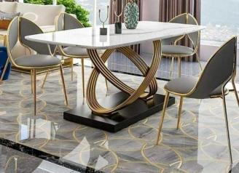 | 4 Seater Dinning Table with chair Stainless Steel | GOLD PVD COATING | 4x2x2.5' |  | 15 DAYS
SS-20023 | 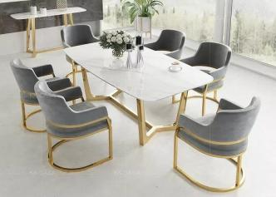 | 6 Seater Dinning Table with chair Stainless Steel | GOLD PVD COATING | 6x3x2.5' |  | 15 DAYS
SS-20024 | 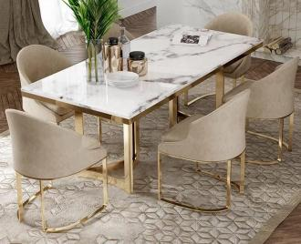 | 6 Seater Dinning Table with chair Stainless Steel | GOLD PVD COATING | 6x3x2.5' |  | 15 DAYS
SS-20025 | 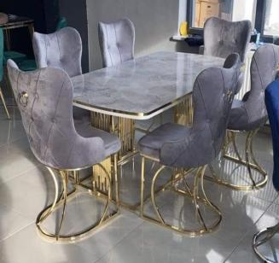 | 6 Seater Dinning Table with chair Stainless Steel | GOLD PVD COATING | 6x3x2.5' |  | 15 DAYS
SS-20026 | 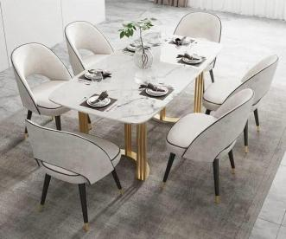 | 6 Seater Dinning Table with chair Stainless Steel | GOLD PVD COATING | 6x3x2.5' |  | 15 DAYS
SS-20027 | 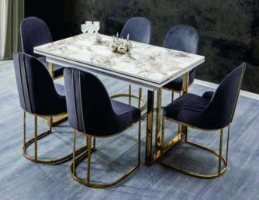 | 6 Seater Dinning Table with chair Stainless Steel | GOLD PVD COATING | 6x3x2.5' |  | 15 DAYS
SS-20028 | 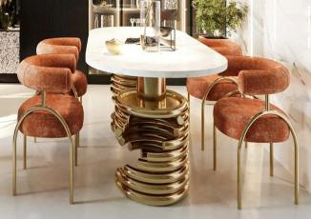 | 4 Seater Dinning Table with chair Stainless Steel | GOLD PVD COATING | 4x2x2.5' |  | 15 DAYS
SS-20029 | 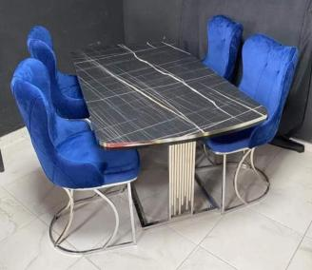 | 4 Seater Dinning Table with chair Stainless Steel | GOLD PVD COATING | 4x2x2.5' |  | 15 DAYS
SS-20030 | 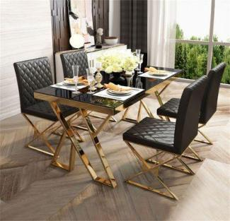 | 4 Seater Dinning Table with chair Stainless Steel | GOLD PVD COATING | 4x2x2.5' |  | 15 DAYS
SS-20031 | 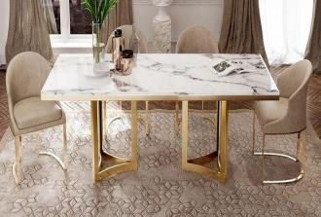 | 4 Seater Dinning Table with chair Stainless Steel | GOLD PVD COATING | 4x2x2.5' |  | 15 DAYS
SS-20032 | 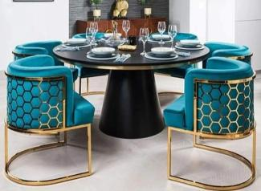 | 4 Seater Dinning Table with chair Stainless Steel | GOLD PVD COATING | 4x4x2.5' |  | 15 DAYS
SS-20033 | 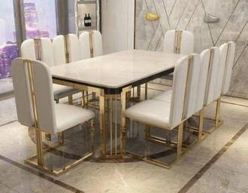 | 8 Seater Dinning Table with chair Stainless Steel | GOLD PVD COATING | 7x3x2.5' |  | 15 DAYS
SS-20034 | 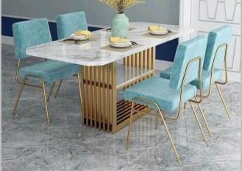 | 4 Seater Dinning Table with chair Stainless Steel | GOLD PVD COATING | 4x2x2.5' |  | 15 DAYS
SS-20035 | 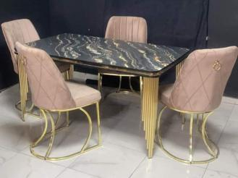 | 4 Seater Dinning Table with chair Stainless Steel | GOLD PVD COATING | 4x2x2.5' |  | 15 DAYS
SS-20036 | 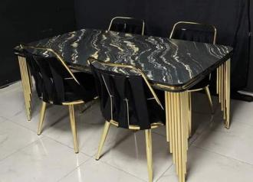 | 4 Seater Dinning Table with chair Stainless Steel | GOLD PVD COATING | 4x2x2.5' |  | 15 DAYS
SS-20037 | 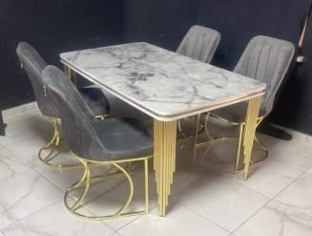 | 4 Seater Dinning Table with chair Stainless Steel | GOLD PVD COATING | 4x2x2.5' |  | 15 DAYS
SS-20038 | 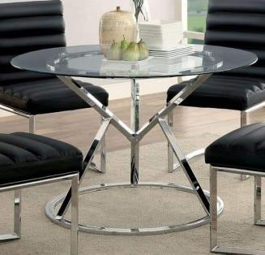 | 4 Seater Dinning Table with chair Stainless Steel | GOLD PVD COATING | 4x4x2.5' |  | 15 DAYS
SS-20039 | 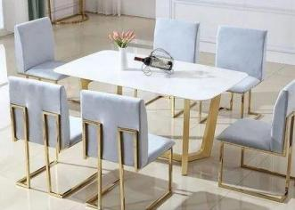 | 6 Seater Dinning Table with chair Stainless Steel | GOLD PVD COATING | 6x3x2.5' |  | 15 DAYS
SS-20040 | 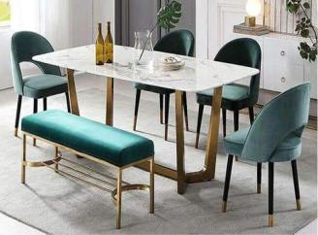 | 6 Seater Dinning Table with chair Stainless Steel | GOLD PVD COATING | 6x3x2.5' |  | 15 DAYS
SS-20041 | 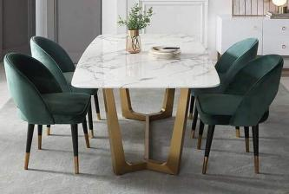 | 4 Seater Dinning Table with chair Stainless Steel | GOLD PVD COATING | 4x2x2.5' |  | 15 DAYS
SS-20042 | 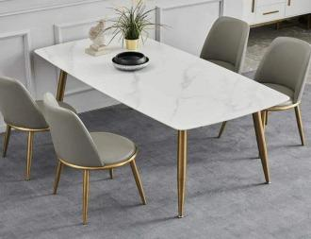 | 4 Seater Dinning Table with chair Stainless Steel | GOLD PVD COATING | 4x2x2.5' |  | 15 DAYS
SS-20043 | 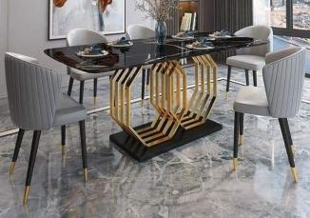 | 6 Seater Dinning Table with chair Stainless Steel | GOLD PVD COATING | 6x3x2.5' |  | 15 DAYS
SS-20044 | 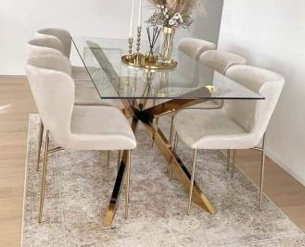 | 6 Seater Dinning Table with chair Stainless Steel | GOLD PVD COATING | 6x3x2.5' |  | 15 DAYS
SS-20045 | 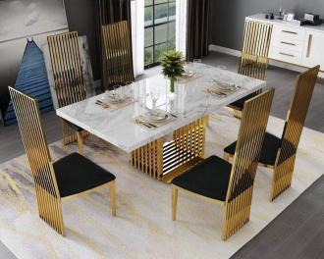 | 6 Seater Dinning Table with chair Stainless Steel | GOLD PVD COATING | 6x3x2.5' |  | 15 DAYS
SS-20046 | 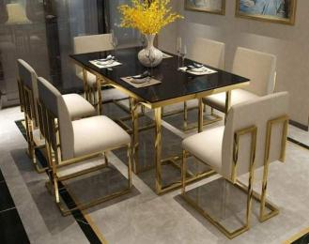 | 6 Seater Dinning Table with chair Stainless Steel | GOLD PVD COATING | 6x3x2.5' |  | 15 DAYS
SS-20047 | 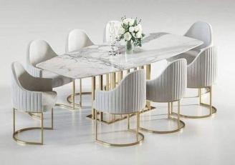 | 8 Seater Dinning Table with chair Stainless Steel | GOLD PVD COATING | 7x3x2.5' |  | 15 DAYS
SS-20048 | 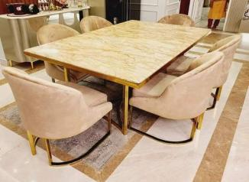 | 6 Seater Dinning Table with chair Stainless Steel | GOLD PVD COATING | 6x3x2.5' |  | 15 DAYS
SS-20049 | 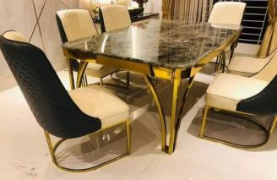 | 6 Seater Dinning Table with chair Stainless Steel | GOLD PVD COATING | 6x3x2.5' |  | 15 DAYS
SS-20050 |  | 6 Seater Dinning Table with chair Stainless Steel | GOLD PVD COATING | 6x3x2.5' |  | 15 DAYS
SS-20051 |  | 6 Seater Dinning Table with chair Stainless Steel | GOLD PVD COATING | 6x3x2.5' |  | 15 DAYS
SS-20052 |  | 6 Seater Dinning Table with chair Stainless Steel | GOLD PVD COATING | 6x3x2.5' |  | 15 DAYS
SS-20053 |  | 4 Seater Dinning Table with chair Stainless Steel | GOLD PVD COATING | 4x2x2.5' |  | 15 DAYS
SS-20054 |  | 4 Seater Dinning Table with chair Stainless Steel | GOLD PVD COATING | 4x4x2.5' |  | 15 DAYS
SS-20055 |  | 4 Seater Dinning Table with chair Stainless Steel | GOLD PVD COATING | 4x4x2.5' |  | 15 DAYS
SS-20056 |  | 4 Seater Dinning Table with chair Stainless Steel | GOLD PVD COATING | 4x4x2.5' |  | 15 DAYS
SS-20057 |  | 4 Seater Dinning Table with chair Stainless Steel | GOLD PVD COATING | 4x4x2.5' |  | 15 DAYS
SS-20058 |  | 4 Seater Dinning Table with chair Stainless Steel | GOLD PVD COATING | 4x4x2.5' |  | 15 DAYS
SS-20059 |  | 6 Seater Dinning Table with chair Stainless Steel | GOLD PVD COATING | 6x3x2.5' |  | 15 DAYS
SS-20060 |  | 4 Seater Dinning Table with chair Stainless Steel | GOLD PVD COATING | 4x4x2.5' |  | 15 DAYS
SS-20061 |  | 4 Seater Dinning Table with chair Stainless Steel | GOLD PVD COATING | 4x2x2.5' |  | 15 DAYS
SS-20062 |  | 4 Seater Dinning Table with chair Stainless Steel | GOLD PVD COATING | 4x4x2.5' |  | 15 DAYS
SS-20063 |  | 6 Seater Dinning Table with chair Stainless Steel | GOLD PVD COATING | 5x5x2.5' |  | 15 DAYS
SS-20064 |  | 4 Seater Dinning Table with chair Stainless Steel | GOLD PVD COATING | 4x4x2.5' |  | 15 DAYS
SS-20065 |  | 8 Seater Dinning Table with chair Stainless Steel | GOLD PVD COATING | 7x3x2.5' |  | 15 DAYS
SS-20066 |  | 4 Seater Dinning Table with chair Stainless Steel | GOLD PVD COATING | 7x3x2.5' |  | 15 DAYS
SS-20067 |  | 6 Seater Dinning Table with chair Stainless Steel | GOLD PVD COATING | 6x3x2.5' |  | 15 DAYS
SS-20068 |  | 6 Seater Dinning Table with chair Stainless Steel | GOLD PVD COATING | 6x3x2.5' |  | 15 DAYS
SS-20069 |  | 8 Seater Dinning Table with chair Stainless Steel | GOLD PVD COATING | 6x3x2.5' |  | 15 DAYS
SS-20070 |  | 6 Seater Dinning Table with chair Stainless Steel | GOLD PVD COATING | 6x3x2.5' |  | 15 DAYS
SS-20071 |  | 4 Seater Dinning Table with chair Stainless Steel | GOLD PVD COATING | 4x4x2.5' |  | 15 DAYS
SS-20072 |  | 6 Seater Dinning Table with chair Stainless Steel | GOLD PVD COATING | 6x3x2.5' |  | 15 DAYS

